Instructions - Simulator sheet
1. To obtain a fresh set of random returns press this
 | 2. To advance to the next year press this | 3.For the same interest rate data set click this to redo the exercise!
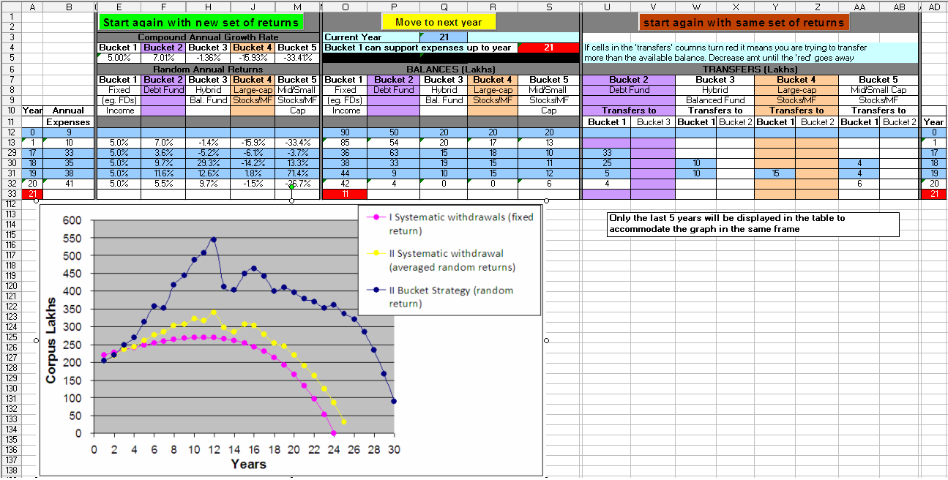

4. Before advancing remember to review: (a). balances in each bucket.
(b). compounded annual growth rate (CAGR) of the buckets.
A good thumb rule is to sell if the CAGR is close to or above
the average rate of each bucket you have entered in the 'Inputs' sheet

Follow the numbers in the boxes for a brief description of the cell entries

6.In the screenshot 21 is the current year. However bucket 1 has funds only
up to year 20. So you cannot proceed unless you transfer funds into bucket 1
If funds are not available its game over!

7. The annual corpus obtained by three stratergies are plotted here to
evaluate the progress of the bucket statergy
To accommodate the plot only the last years in the table will be displayed

Simulator
Start again with new set of returns
Move to next year
Start again with same set of returns
 |  |  |  |  |  |  |  |  |  |  |  |  |  |  |  |  |  |  |  |  |  |  |  |  | 1

 |  |  | Compound Annual Growth Rate |  |  |  |  | Current Year |  | 1 |  |  |  |  |  |  |  |  |  |  |  |  |  | 14 | 1
 |  |  | Bucket 1 | Bucket 2 | Bucket 3 | Bucket 4 | Bucket 5 | Bucket 1 can support expenses up to year |  |  |  | 6 | If cells in the 'transfers' coumns turn red it means you are trying to transfer
 |  |  | 8.00% | 8.97% | 7.73% | 9.22% | 46.98% | To continue transfer |  | 14.0 | lakhs to bucket 1 |  | more than the available balance. Decrease amt until the 'red' goes away |  |  |  |  |  |  |  |  |  |  |  | 1
 |  | Random Annual Returns |  |  |  |  |  | BALANCES (Lakhs) |  |  |  |  | TRANSFERS (Lakhs) |  |  |  |  |  |  |  |  |  |  |  | Show
 | Net annual |  | Bucket 1 | Bucket 2 | Bucket 3 | Bucket 4 | Bucket 5 | Bucket 1 | Bucket 2 | Bucket 3 | Bucket 4 | Bucket 5 | Bucket 2 |  | Bucket 3 |  | Bucket 4 |  | Bucket 5 |  |  |  |  |  | Hide
 | expenses |  | Fixed | Debt Fund | Hybrid | Large-cap | Mid/Small | Fixed | Debt Fund | Hybrid | Large-cap | Mid/Small | Debt Fund |  | Hybrid |  | Large-cap |  | Mid/Small Cap
 | that will be |  | (eg. FDs) |  | Bal. Fund | Stocks/MF | Stocks/MF | (eg. FDs) |  | Bal. Fund | Stocks/MF | Stocks/MF |  |  | Balanced Fund |  | Stocks/MF |  | Stocks/MF |  |  |  |  |  | Bucket 2
 | covered |  | Income |  |  |  | Cap | Income |  |  |  | Cap | Transfers to |  | Transfers to |  | Transfers to |  | Transfers to |  | Year |  |  |  | Bucket 3 |  | Bucket | sys wit | sys wit | Your corpus | B2 |  | B3 |  | B4 |  | B5
Year | by corpus |  |  |  |  |  |  |  |  |  |  |  | Bucket 1 | Bucket 3 | Bucket 1 | Bucket 2 | Bucket 1 | Bucket 2 | Bucket 1 | Bucket 2 | Year |  |  |  | Bucket 4 |  | strategy | avg ret | rand ret |  |  | CAGR |  | CAGR |  | CAGR |  | CAGR
0 | 12.00 |  |  |  |  |  |  | 75 | 15 | 30 | 15 | 15 |  |  |  |  |  |  |  |  | 0 |  |  |  | Bucket 5 |  | 150.00 | 150.00 | 150.00 | 150 | 1 |  | 1 |  | 1 |  | 1
1 | 12.00 | 8.0% | 8.0% | 9.0% | 7.7% | 9.2% | 47.0% | 68 | 16 | 32 | 16 | 22 |  |  |  |  |  |  |  |  | 1 | 1.1206272759 | 0 | 0 |  | 1 | 154.00 | 149.04 | 154.65 | 149.04 | 1.090 | 8.97% | 1.0772935598 | 7.73% | 1.0921769229 | 9.22% | 1.469807921 | 46.98%
Notes:
1. Only the last 5 years will be displayed in the table to accommodate the graph in the same frame
2. Strategies II and III in the plot use the same 'random' returns.
3. You can increase the X-axis upper limit from 30 if your corpus is not exhausted 30 years after retirement!

 | I Systematic withdrawals (fixed return) with your corpus | II Systematic withdrawal (averaged random returns) | II Bucket Strategy (random returns)
 | 150 | 150.00 | 150.00
1 | 149.04 | 154.65 | 154.00
 | #N/A | #N/A | #N/A
 | #N/A | #N/A | #N/A
 | #N/A | #N/A | #N/A
 | #N/A | #N/A | #N/A
 | #N/A | #N/A | #N/A
 | #N/A | #N/A | #N/A
 | #N/A | #N/A | #N/A
 | #N/A | #N/A | #N/A
 | #N/A | #N/A | #N/A
 | #N/A | #N/A | #N/A
 | #N/A | #N/A | #N/A
 | #N/A | #N/A | #N/A
 | #N/A | #N/A | #N/A
 | #N/A | #N/A | #N/A
 | #N/A | #N/A | #N/A
 | #N/A | #N/A | #N/A
 | #N/A | #N/A | #N/A
 | #N/A | #N/A | #N/A
 | #N/A | #N/A | #N/A
 | #N/A | #N/A | #N/A
 | #N/A | #N/A | #N/A
 | #N/A | #N/A | #N/A
 | #N/A | #N/A | #N/A
 | #N/A | #N/A | #N/A
 | #N/A | #N/A | #N/A
 | #N/A | #N/A | #N/A
 | #N/A | #N/A | #N/A
 | #N/A | #N/A | #N/A
 | #N/A | #N/A | #N/A
 | #N/A | #N/A | #N/A
 | #N/A | #N/A | #N/A
 | #N/A | #N/A | #N/A
 | #N/A | #N/A | #N/A
 | #N/A | #N/A | #N/A
 | #N/A | #N/A | #N/A
 | #N/A | #N/A | #N/A
 | #N/A | #N/A | #N/A
 | #N/A | #N/A | #N/A
 | #N/A | #N/A | #N/A
 | #N/A | #N/A | #N/A
 | #N/A | #N/A | #N/A
 | #N/A | #N/A | #N/A
 | #N/A | #N/A | #N/A
 | #N/A | #N/A | #N/A
 | #N/A | #N/A | #N/A
 | #N/A | #N/A | #N/A
 | #N/A | #N/A | #N/A
 | #N/A | #N/A | #N/A
...

Example results
